Invoice


 |  | City College of San Francisco
 |  | 33 Gough Street. San Francisco, CA 94103.(415) 239-3000

 |  | District Business Office

***INVOICE***

Federal ID. #94-1721925

In Reply, refer to: |  |  |  |  |  | Date: | 2019-06-27

Invoice No: | FCC4 |  |  |  | Make Checks Payable to:
 |  |  |  |  | San Francisco Community College District
Name: | Maria Su |  |  |  | c/o Luther Aaberge
 | Department of Children, Youth and Their Families
Address: | 1390 Market Street, Suite 900 |  |  |  | City College of San Francisco
 | San Francisco, CA 94102 |  |  |  | 33 Gough Street
Contact No. | (415) 554-3547 |  |  |  | San Francisco, CA 94103

You are notified that the following amount is due
and payable to the San Francisco Community College District
within 30 days of the date of receipt.
Description |  |  |  |  |  |  | Amount

 |  | Headcount | Credits/Units | Costs |  | Adjustments

Enrollment Fees |  | 13,473 | 89,421 | $4,112,837 |  | $(11,592) | $4,101,245

$500 Grants for Full-Time BOG |  | 2,267 |  | $560,625 |  | $- | $560,625
Eligible Students ($250/term)

$200 Grants for Part-Time BOG |  | 1,938 |  | $186,650 |  | $- | $186,650
Eligible Students ($100/term)

Funds Returned to City for the
Free City Program ( Due to eligible
students dropping classes after
refund deadline)*** |  | 3,439 | 15,197 | $(699,039) |  | $- | $(699,039)

Staffing and Infrastructure costs
directly related to the implementation
of the MOU |  | n/a | n/a | $162,135 |  | $- | $162,135

 |  |  |  | Total Costs |  |  | $4,311,616

 |  |  |  | Spring 19 Budget |  |  | $2,683,476
 |  |  |  | Staffing/Infrastructure |  |  | $162,135
 |  |  |  | Total Invoice Amount |  |  | $2,845,611

***Out of the funds returned fo the Free City Program for Fall '18($809,347),CCSF has an outstanding balalnce of $394,659.06.
Out of the funds returned to the Free City Program for Spring'18 ($612,651), CCSF has an outstanding balance of $177,234.83.
Out of the funds returned to the Free City Program For Fall'17 ($794,351), CCSF has an outstanding balance of $209,323.78.

Infrastructure
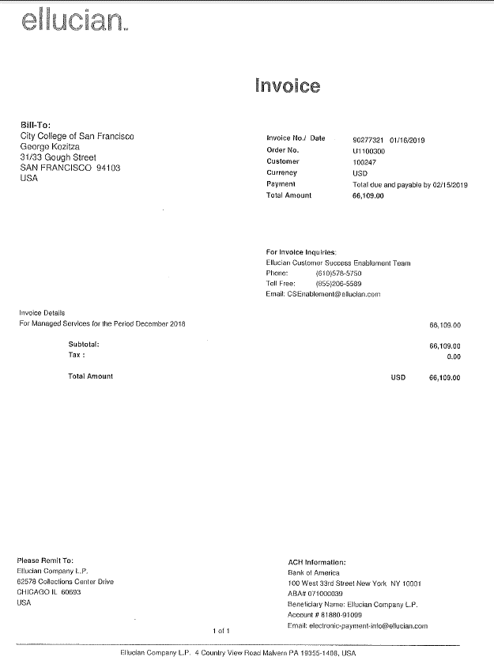
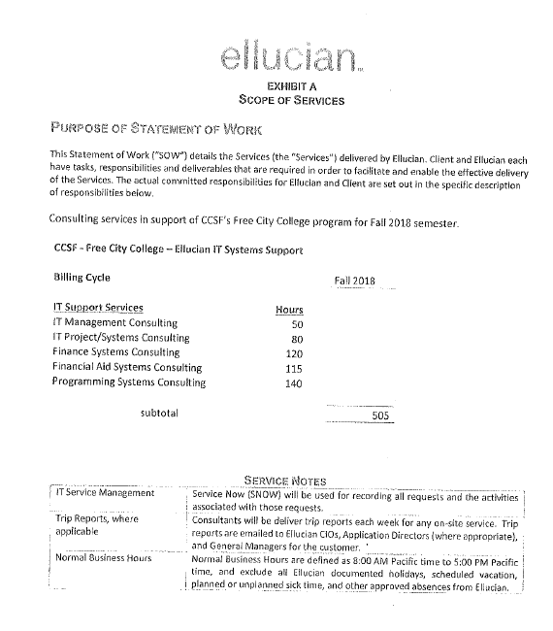
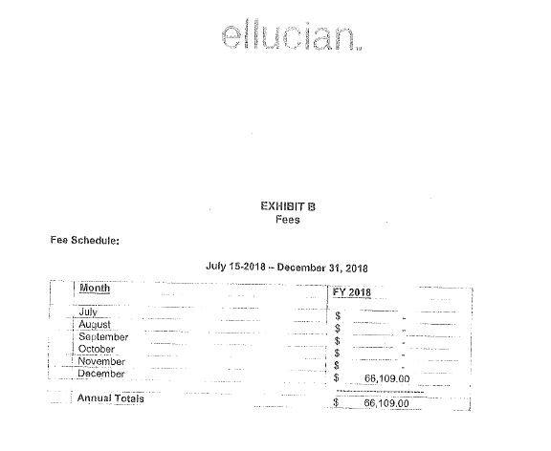
Infrastructure Cost Overview

 |  | Bursar |  | $20,726
 |  | A+R |  | $92,594
 |  | IT Vendors |  | $113,042
 |  | Administrators |  | $80,314

 |  | Total |  | $306,677
 |  | Remaining Budget |  | $162,135

Bursar |  | CCSF- Free City College

 |  | Billing Spring 2019
 |  |  |  |  |  | Fall 18 | Spring 19 | Total Cost
 |  | Resource |  | Department |  | Hours | Hours
 |  | Rebeca Chavez - Meetings/Recon/Billing |  |  |  | 120 | 120 | 7,324.80
 |  | Thanh Hoang- FCRP Adjustments |  |  | Total | 200 | 200 | 6,255.60
 |  | Yooki Bates - Reconciliation |  |  |  | 0 | 80 | 3,859.20
 |  | DannY Xu |  | FCRP Review |  | 24 | 40 | 641.92
 |  | Laurie Huong |  | FCRP Review |  | 24 | 24 | 805.08
 |  | Hong Hong Lam |  | FCRP Review |  | 24 | 24 | 770.16
 |  | Reiny Cheung |  | FCRP Review |  | 0 | 40 | 1,069.60
 |  |  |  | Estimated Amount |  |  | 528 | 20,726.36

 |  | The hours stated above is an estimate, as actual time was not tracked.
 |  | Used hourly rate to calculate estimated amount for billing.

2019 YTD Admissions and Records |  | 'Chart' | 'Fiscal Year' | 'Index'
 |  | 5 | 19 |  | Y
 |  | 'Account' | 'Type' | 'Title' | 'YTD Activity'
 |  | 2330 | L | Classified-NI Temp | $69,443
 |  | 3305 | L | OASDI - Classified SEIU | $4,219
 |  | 3325 | L | Medicare - Classified SEIU | $987
 |  | 3405 | L | Health Plan - Classified SEIU | $-
 |  | 3425 | L | Dental - Classified SEIU | $1,615
 |  | 3435 | L | Life Insurance - Classified SEIU | $61
 |  | 3505 | L | SUI - Classified SEIU | $35
 |  | 3605 | L | Workers Comp - Classified SEIU | $1,089
 |  | 3652 | L | OPEB | $1,389
 |  | 3705 | L | SF Retirement - Classified SEIU | $13,757
 |  |  |  |  | $92,594

 | Ellucian | 5190 | E | Other Consulting | $66,109

Campus Works |  |  | Consultant Bill Frowine
 |  |  | Estimated Cost of Hours Provided |  | $10,286.96

Administrators |  |  | Chancellor (10%) |  | $33,381
 |  |  | Chief of Staff (30%) |  | $46,933

 |  |  | Total |  | $80,314

