1B Department Budget Summary
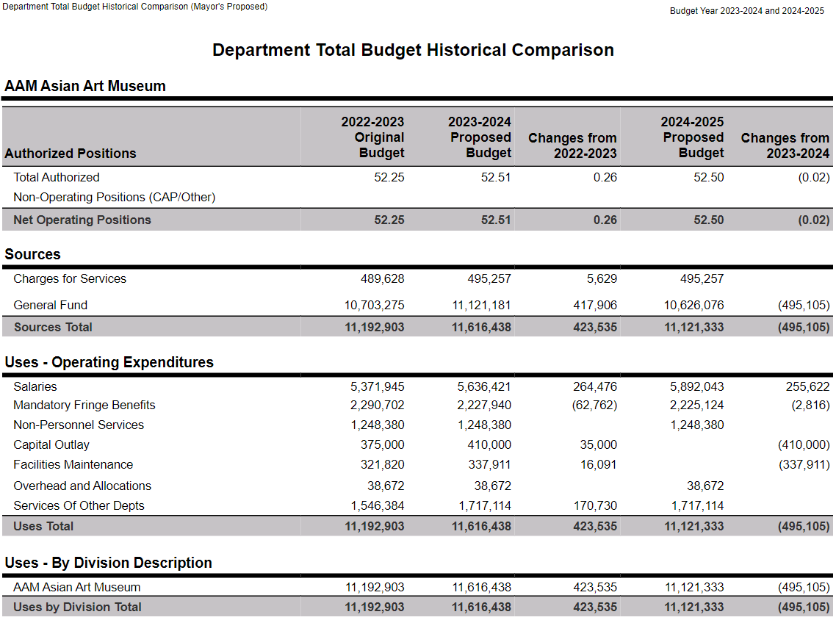
BUDGET FORM 1B: Department Budget Summary FY 2023-24 and FY 2024-25

Please run Department Total Budget Historical Comparison Report saved to the 3 Department Reports folder in BFM Reporting
and include with budget submission. Example Report is shown below. | BFM Report: 15.50.012

Prop J Cover Page Sample_FY24
SAMPLE SAMPLE SAMPLE SAMPLE SAMPLE SAMPLE SAMPLE SAMPLE
Please Fill Out Blue Shaded Areas Only.

027-Airport Commission
Safety and Security Services |  |  |  |  | PPE FY24 | 26.0
General Aviation Security Services
COMPARATIVE COSTS OF CONTRACTING VS. IN-HOUSE SERVICES (1) (2)
FISCAL YEAR 2023-24

ESTIMATED CITY COSTS:
 |  |  |  |  |  |  | Salary and Benefits for Each Job Class from BFM Reporting FTE Cost Report
PROJECTED PERSONNEL COSTS |  |  |  |  |  |  | Complete this with the cost of 1.0 FTE; the actual FTE needs will be calcuated in the Personnel and Fringe Benefit costs.
Job Class Title | Class | # of Full Time Equivalent Positions | Bi-Weekly Rate per FTE |  | Annual Cost
 |  |  | Low | High | Low | High | Year (BY, aka FY 23/24) | Job Class Number | Job Class Title | FTE | 5010 Salary | 5130 Benefits | Total Sal & Ben
Security Guard | 8202 | 26.00 | $3,960 | 4,754 | $2,676,782 | $3,213,423 | FY 23/24 | 8202 | Security Guard | 1.00 | $86,203 | $37,390 | $123,593
Building and Ground Patrol Officer | 8207 | 5.00 | $3,960 | 4,754 | $514,769 | $617,970 | FY 23/24 | 8207 | Building and Ground Patrol Officer | 1.00 | $86,203 | $37,391 | $123,594
Airport Operations Supervisor | 9220 | 0.05 | $6,169 | 7,406 | $8,020 | $9,628 | FY 23/24 | 9220 | Airport Operations Supervisor | 1.00 | $142,369 | $50,189 | $192,558
Manager III | 0931 | 0.05 | $8,090 | 9,712 | $10,517 | $12,625 | FY 23/24 | 0931 | Manager III | 1.00 | $187,141 | $65,366 | $252,507
0 | 0.00 |  |  |  | $- | $- |  |  |  | 1.00 |  |  | $-
0 | 0.00 |  |  |  | $- | $- |  |  |  | - |  |  | $-
0 | 0.00 |  |  |  | $- | $- |  |  |  | - |  |  | $-
0 | 0.00 |  |  |  | $- | $- |  |  |  | - |  |  | $-
0 | 0.00 |  |  |  | $- | $- |  |  |  | - |  |  | $-
0 | 0.00 |  |  |  | $- | $- |  |  |  | - |  |  | $-
Holiday Pay (if applicable) | n/a | n/a
Night / Shift Differential (if applicable) | n/a | n/a
Overtime Pay (if applicable) | n/a | n/a
Other Pay (if applicable) | n/a | n/a
 | Total FTE | 31.1
 |  |  |  | Total Salary Costs---> | $3,210,088 | $3,853,647
S a m p l e
Total of Other Compensation---> |  |  |  |  | $- | $-

FRINGE BENEFITS
 | Job Class | $ Amount
Benefits per FTE--Job Class #: | 8202 | 37,390
Benefits per FTE--Job Class #: | 8207 | 37,391
Benefits per FTE--Job Class #: | 9220 | 50,189
Benefits per FTE--Job Class #: | 0931 | 65,366
Benefits per FTE--Job Class #: | 0 | 0
Benefits per FTE--Job Class #: | 0 | 0
Benefits per FTE--Job Class #: | 0 | 0
Benefits per FTE--Job Class #: | 0 | 0
Benefits per FTE--Job Class #: | 0 | 0
Benefits per FTE--Job Class #: | 0 | 0
 |  |  |  |  | Low | High
Total Fringe Benefits |  |  |  |  | $1,048,253 | $1,164,882

ADDITIONAL CITY COSTS
Insert all additional costs, with a description, that the City would incur if providing the service. |  |  |  |  | $- | $-
May include capital costs, materials & supplies, uniforms, technology, as is comparable to the contract components. |  |  |  |  | $- | $-
 |  |  |  |  | $- | $-
 |  |  |  |  | $- | $-
Total Capital & Operating |  |  |  |  | $- | $-

COST COMPARISON SUMMARY

ESTIMATED TOTAL CITY COST |  |  |  |  | $4,258,340 | $5,018,529
LESS: ESTIMATED TOTAL CONTRACT COST |  |  |  |  | $2,318,141 | $2,322,269

ESTIMATED SAVINGS |  |  |  |  | $1,940,200 | $2,696,260
% of Savings to City Cost |  |  |  |  | 46% | 54%

Comments/Assumptions:
1. FY 2007 was the first year these services were contracted out.
2. Salary levels reflect proposed salary rates effective July 1, 2023. Costs are represented as annual 12 month costs.
3. Variable fringe benefits consist of Social Security, Medicare, employer retirement, employee retirement pick-up and long-term disability, where applicable.
4. Fixed fringe benefits consist of health and dental rates plus an estimate of dependent coverage.
<List any other comments or assumptions>
N/A

SAMPLE SAMPLE SAMPLE SAMPLE SAMPLE SAMPLE SAMPLE SAMPLE

Chartfield Request Forms
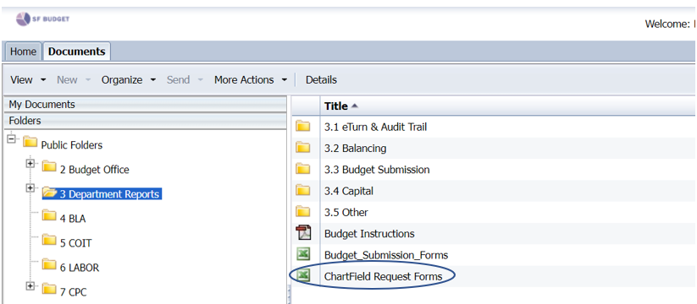
Chartfield request forms
Please see ChartField Request Forms in BFM Links> SF Budget Reports> 3 Department Reports

